Synthesis
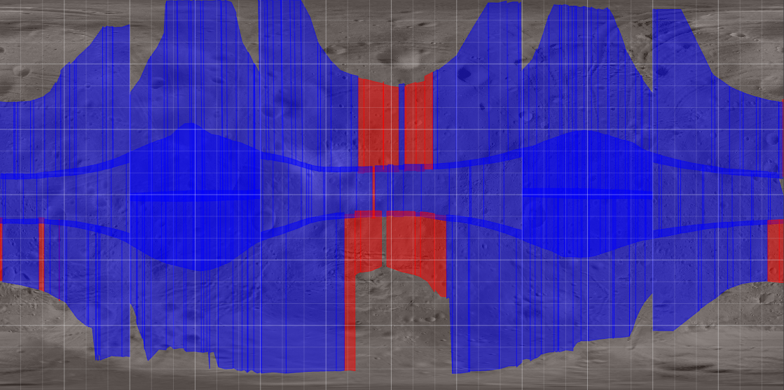
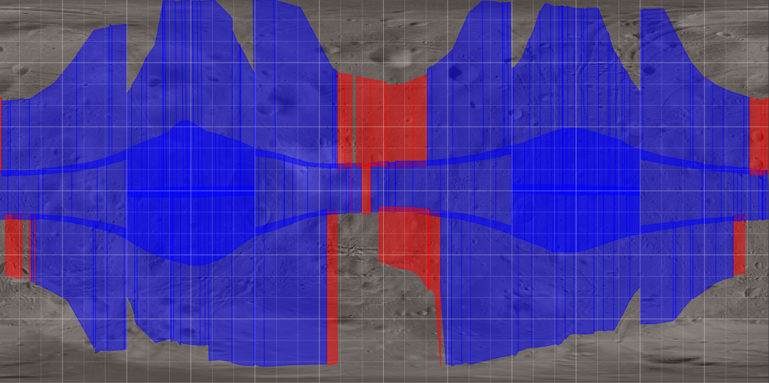
 |  |  |  |  |  |  | QSO-H Global mapping Orbit Control Error Margin 0s |  |  |  |  |  |  |  | QSO-H Global mapping Orbit Control Error Margin 60s
QSO-H |  |  |  |  |  |  |  |  |  |  |  |  | Phase< 30°
Data | Unit | Value | Value | Initial estimation (*)
Margin for Orbit Error | s | 0 | 60 |  |  |  |  |  |  |  |  |  | 30°<Phase<60°
Number of observations | none | 253 | 194 | 195
Number of observations with Cross-Track 0° | none | 72 | 72 | N/A
Total Slew time | hours | 15 | 10 | N/A
Total MIRS Observation time | hours | 23 | 29 | 23
Nb MIRS images | none | 5123 | 6795 | 7500
Data Volume uncompressed | Gbytes | 0.6 | 0.8 | 0.8

Average observation duration | min | 5 | 9 | 7
Maximum observation duration | min | 27 | 37
Minimum observation duration | s | 1.52 | 122
Average delay between 2 MIRS observation | min | 60 | 75
Maximum delay between 2 MIRS observation | min | 1356 | 1350
Minimum delay between 2 MIRS observation | s | 0.00 | 0

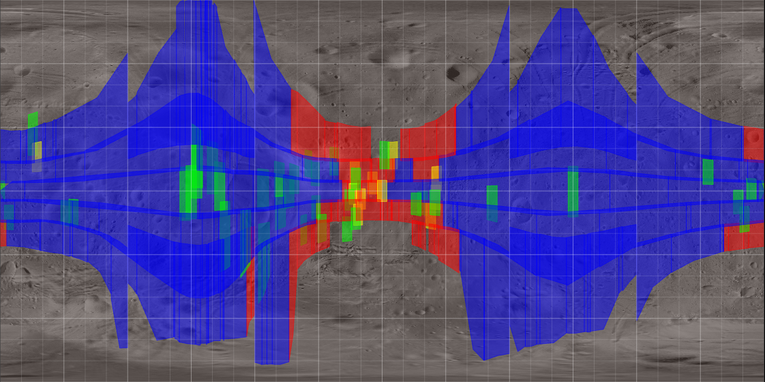
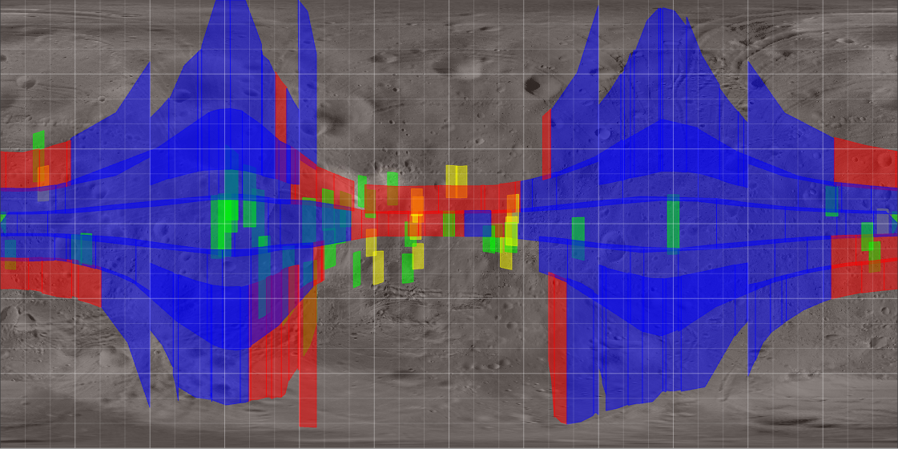
 |  |  |  |  |  | QSO-M Global mapping Orbit Control Error Margin 0s |  |  |  |  |  |  |  |  | QSO-M Global mapping Orbit Control Error Margin 340s
QSO-M |  |  |  |  |  |  |  |  |  |  |  |  | Phase< 30°
Data | Unit | Value | Value | Initial estimation (*)
Margin for Orbit Error | s | 0 | 340 |  |  |  |  |  |  |  |  |  | 30°<Phase<60°
Number of observations | none | 262 | 193 | 307
Number of observations with Cross-Track 0° | none | 25 | 24 | N/A |  |  |  |  |  |  |  |  | Landing Site Phase< 30°
Total Slew time | hours | 24 | 17 | N/A
Total MIRS Observation time | hours | 39 | 72 | 46 |  |  |  |  |  |  |  |  | 30°<Landing Site <60°
Nb MIRS images | none | 21477 | 46215 | 28471
Data Volume uncompressed | Gbytes | 2.4 | 5.2 | 3.3

Average observation duration | min | 9 | 22 | 10
Maximum observation duration | min | 126 | 142
Minimum observation duration | s | 0.0170 | 684
Average delay between 2 MIRS observation | min | 153 | 176
Maximum delay between 2 MIRS observation | min | 4295 | 4281
Minimum delay between 2 MIRS observation | s | 0.0000 | 180

 |  |  |  |  |  |  |  | uncoveredFirstPass | NadirPhase0-30degLT11-14 |  |  |  |  | uncoveredFirstPass | NadirPhase0-30degLT11-14
 |  |  |  |  |  |  |  | L04 |  |  |  |  |  | L04
 |  |  |  |  |  |  |  | L29 |  |  |  |  |  | L24
 |  |  |  |  |  |  |  | L31 |  |  |  |  |  | L25
 |  |  |  |  |  |  |  | L33 |  |  |  |  |  | L29
 |  |  |  |  |  |  |  | L34 |  |  |  |  |  | L30
 |  |  |  |  |  |  |  | L35 |  |  |  |  |  | L31
 |  |  |  |  |  |  |  | L36 |  |  |  |  |  | L32
Below this line, no changes from previous version |  |  |  |  |  |  |  | L37 |  |  |  |  |  | L33
 |  |  |  |  |  |  |  | L39 |  |  |  |  |  | L34
 |  |  |  |  |  |  |  | L42 |  |  |  |  |  | L35
Phobos Observations during Vertical descent phase |  | Rehearsal 1 | Touchdown 1 | Rehearsal 2 | Touchdown 2 |  |  | L44 |  |  |  |  |  | L36
 | Number of slots | 1 | 1 | 1 | 1 |  |  | L45 |  |  |  |  |  | L38
 | Observation slot duration (hh:mm:ss) | 0:12:00 | 0:12:00 | 0:12:00 | 0:12:00 |  |  | uncoveredSecondPass | NadirPhase0-60degLT9-16 |  |  |  |  | L39
 | Total duration (hh:mm:ss) | 0:12:00 | 0:12:00 | 0:12:00 | 0:12:00 |  |  | L35 |  |  |  |  |  | L42
 |  |  |  |  |  |  |  |  |  |  |  |  |  | L44
Deimos |  | 1A | 1B | 2A | 2B |  |  |  |  |  |  |  |  | L45
 | Number of slots | 34 | 21 | 14 | 38 |  |  |  |  |  |  |  |  | L51
 | Min slot duration (hh:mm:ss) | 0:05:35 | 0:05:04 | 0:06:42 | 0:05:44 |  |  |  |  |  |  |  |  | uncoveredSecondPass | NadirPhase0-60degLT9-16
 | Average slot duration (hh:mm:ss) | 0:22:45 | 0:17:12 | 0:23:21 | 0:15:14 |  |  |  |  |  |  |  |  | L33
 | Max slot duration (hh:mm:ss) | 0:26:15 | 0:26:02 | 0:38:04 | 0:38:08 |  |  |  |  |  |  |  |  | L34
 | Total duration (h) | 13 | 6 | 5 | 10 |  |  |  |  |  |  |  |  | L35
 |  |  |  |  |  |  |  |  |  |  |  |  |  | L36
Mars Phase 1 |  | QSO-H | QSO-M
 | Number of slots | 28 | 31 |  |  |  | QSO-H | Number of MIRS observations | MIRS PROG duration | MIRS prog % of Phobos observation slots | TENGOO PROG duration | TENGOO prog % of Phobos observation slots |  | QSO-M | Number of MIRS observations | MIRS PROG duration | MIRS prog % of Phobos observation slots | QSO-M | Number of MIRS observations | MIRS PROG duration | MIRS prog % of Phobos observation slots
 | Min slot duration (hh:mm:ss) | 3:21:40 | 3:41:52
 | Average slot duration (hh:mm:ss) | 3:49:52 | 3:51:52
 | Max slot duration (hh:mm:ss) | 3:53:52 | 3:53:25
 | Total duration (h) | 107 | 120
 |  |  |  |  |  |  | day | none | hours | % | hours | % |  | day | none | hours | % | day | none | hours | %
 |  |  |  |  |  |  | 2025-10-18 | 0 | 0 | 0 | 0 | 0 |  | 2025-11-15 | 16 | 9 | 65 | 2025-11-30 | 0 | 0 | 0
 |  |  |  |  |  |  | 2025-10-19 | 0 | 0 | 0 | 0 | 0 |  | 2025-11-16 | 1 | 0 | 5 | 2025-12-01 | 5 | 1 | 12
 |  |  |  |  |  |  | 2025-10-20 | 0 | 0 | 0 | 1 | 8 |  | 2025-11-17 | 0 | 0 | 0 | 2025-12-02 | 26 | 9 | 64
 |  |  |  |  |  |  | 2025-10-21 | 4 | 0 | 2 | 3 | 18 |  | 2025-11-18 | 0 | 0 | 0 | 2025-12-03 | 0 | 0 | 0
 |  |  |  |  |  |  | 2025-10-22 | 3 | 0 | 2 | 2 | 17 |  | 2025-11-19 | 24 | 11 | 74 | 2025-12-04 | 0 | 0 | 0
 |  |  |  |  |  |  | 2025-10-23 | 19 | 3 | 22 | 4 | 31 |  | 2025-11-20 | 4 | 1 | 11 | 2025-12-05 | 3 | 1 | 13
 |  |  |  |  |  |  | 2025-10-24 | 30 | 5 | 32 | 4 | 27 |  | 2025-11-21 | 0 | 0 | 0 | 2025-12-06 | 22 | 8 | 56
 |  |  |  |  |  |  | 2025-10-25 | 39 | 6 | 45 | 2 | 15 |  | 2025-11-22 | 0 | 0 | 0 | 2025-12-07 | 5 | 1 | 10
 |  |  |  |  |  |  | 2025-10-26 | 37 | 6 | 40 | 3 | 21 |  | 2025-11-23 | 15 | 5 | 35 | 2025-12-08 | 0 | 0 | 0
 |  |  |  |  |  |  | 2025-10-27 | 21 | 4 | 25 | 3 | 18 |  | 2025-11-24 | 10 | 4 | 32 | 2025-12-09 | 0 | 0 | 0
 |  |  |  |  |  |  | 2025-10-28 | 15 | 3 | 22 | 2 | 17 |  | 2025-11-25 | 0 | 0 | 0 | 2025-12-10 | 16 | 5 | 36
 |  |  |  |  |  |  | 2025-10-29 | 12 | 1 | 7 | 3 | 22 |  | 2025-11-26 | 0 | 0 | 0 | 2025-12-11 | 11 | 3 | 23
 |  |  |  |  |  |  | 2025-10-30 | 6 | 1 | 4 | 3 | 24 |  | 2025-11-27 | 15 | 5 | 32 | 2025-12-12 | 0 | 0 | 0
 |  |  |  |  |  |  | 2025-10-31 | 2 | 0 | 1 | 2 | 18 |  | 2025-11-28 | 21 | 8 | 52 | 2025-12-13 | 0 | 0 | 0
 |  |  |  |  |  |  | 2025-11-01 | 5 | 0 | 3 | 1 | 7 |  | 2025-11-29 | 0 | 0 | 0 | 2025-12-14 | 0 | 0 | 0

